Manual
Introduction to Sales Performance Dashboard - SMB India

The intent of this Dashboard is to provide you with latest numbers measuring the sales performance of the SMB India sales team.
To navigate through the data for 600+ member team, here are some simple tools & features to help you get the desired & relevant data entries.

A | The dashboard provides essential metrics for gauging Hunting and Upselling teams' performances.
 | It also provides you an overall performance summary in the 3rd section, along with product-wise sale counts to learn more.

B | Filters at the top can be used to get to the important and relevant data entries quickly. Below is how the filter feature works -

 | 1 | Filter by level gives you an option to view the numbers for only TMs/AMs/AAMs/Zones etc.
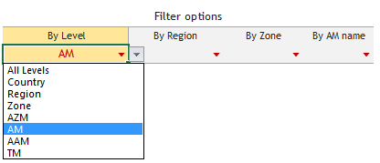

 |  | Choosing AM here - for eg - will give you numbers only for all AMs and filter out rest of the entries.

 | 2 | To get to the right team/individual and check his performance, you can use the next set of filters (by region/by zone/by AM name).

 |  | Filters will change values as per the chosen value in the previous filter, so that you can easily travel through all hierarchy levels.

 |  | Choosing the AM name as Bhuvan Gupta - for eg - here will give you a single row of his team's overall performance across sections Hunting/Upselling/Overall.
 |  | You can then choose to change levels from filter 1 and look at his team's AAMs & TMs to learn more about the team's performance.

C | As the sheet extends to far right to accommodate numbers in the 'Overall' section, there are some simple links provided for you to get to desired columns without scrolling and searching.

D | You can copy the data from here to use for your individual analysis. However you can't edit this file.

E | The file is shared with you through dropbox and there are other users using the same file simultaneously. Please DO NOT SAVE this excel file. It will be updated automatically through codes run by SSA.

